summary
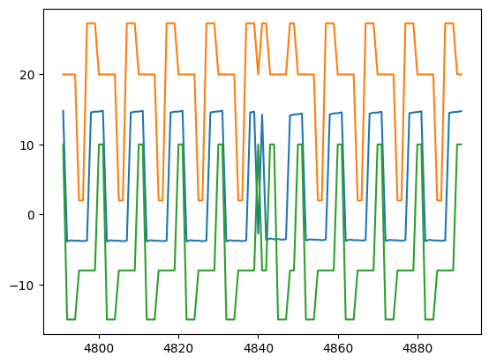
SignalDetect | Glitches Detected | RowDetected
DUT7_Gate_A_Signal | Yes | [485, 486]

